Sheet2
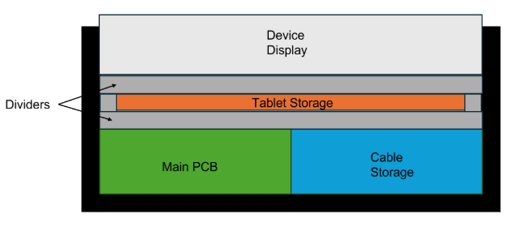
Figure 1: Case Layout Diagram

